states
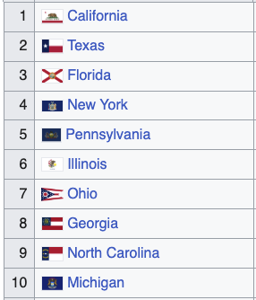
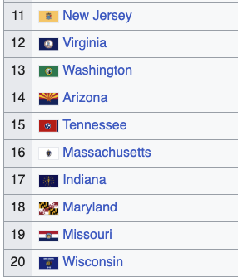
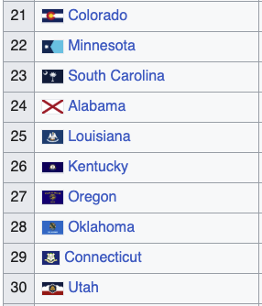
Zoe |  | Shawn | Simon

Dallas, TX | 3.5/5 of the last mayors were dem (one was dem but declared he was switching to republican after his election)
Miami, FL | 3/5 of the last mayors were Rep, 1 dem and 1 independent
NYC | 3/5 of the last mayors were Dem, 1.5 Rep (1 switched their party later)
Pittsburgh, PA | 5/5 prev mayors Dem
Chicago, IL | 5/5 prev mayors Dem
Columbus, OH | 2/5 prev mayors Dem
Traverse City, MI | 4/5 prev mayors Dem
Macon | 3/5 prev mayors Dem

